CIVIC PROJECTS
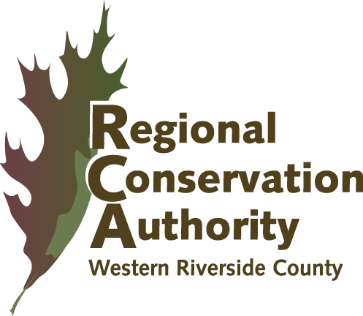
 |  | Western Riverside County
 |  | Regional Conservation Authority
 |  | 3403 10th Street, Suite 320, Riverside, CA 92501

 |  | Monthly Remittance Form for All Civic Projects (including exemptions)
 |  | (i.e., Parks, Libraries, City Hall, Fire Stations, Community Centers, etc.)
 |  | Per Acre Commercial/Industrial Fee*

Reporting Period*
Jurisdiction |  |  |  |  |  |  | *FY 2022 Fee per Acre | $11,982
 |  |  |  |  |  |  | From July 1, 2021 through December 31, 2021
*Please provide a listing of all Civic Contracts approved by City Council or County Board of Supervisors within 90 days, including MSHCP exempt contracts. Per RCA MSHCP Mitigation Fee Implementation Manual, payment to the RCA shall be made no later than 90 days after the construction contract for the qualified Civic/Infrastructure Project is approved by the County or the City.

Date | Date Contract Approved | Permit # | APN or Parcel Address | Project Name | Project Description (if exempt, provide justification and backup) |  | # of Acres with the Project Area | Fee ( Acres x Commercial/ Industrial Fee)

 |  |  |  |  |  |  |  | $0.00
 |  |  |  |  |  |  |  | $0.00
 |  |  |  |  |  |  |  | $0.00
 |  |  |  |  |  |  |  | $0.00
 |  |  |  |  |  |  |  | $0.00
 |  |  |  |  |  |  |  | $0.00

 |  |  |  |  |  | Total Acres/Fees | 0.00 | $0.00
Prepared by: (Name, Title and Phone #)
 |  |  |  |  |  | Less Credits/Exemptions |  | $0.00
 |  |  |  |  |  | (provide documentation for exemption)

Approved by: (Name, Title and Phone #) |  |  |  |  |  | Total Remitted |  | $0.00

Form RCA-FR-010106

